Daily Power Station Chart_15-01
Plant_05/03/2025Chart

Plant:odco1 |  |  | Installed Capacity:111.180kWp
Today Yield(kWh):88.400kWh |  | Today Earning:35360.000TND |  | Today Full Load Hours(h):0.80h

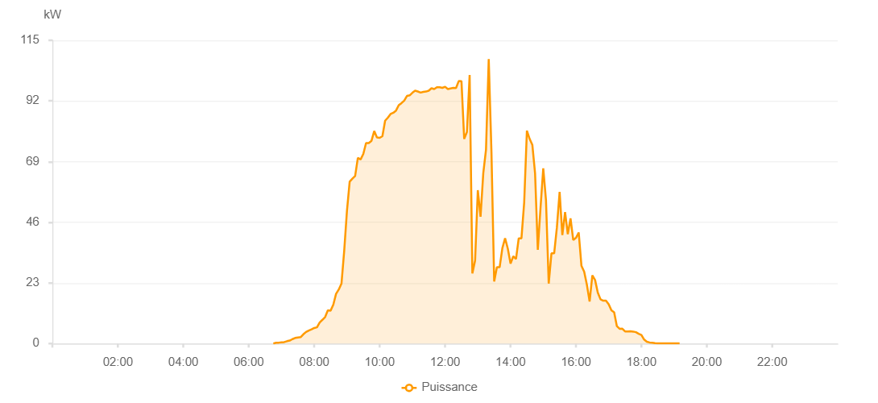

Number | Time | Working State | PV(W) | Instantaneous Radiation(W/㎡)
1 | 07:05:00 | Online | 20.00000 | 0
2 | 07:10:00 | Online | 40.00000 | 0
3 | 07:15:00 | Online | 230.00000 | 0
4 | 07:20:00 | Online | 280.00000 | 0
5 | 07:25:00 | Online | 330.00000 | 2.00000
6 | 07:30:00 | Online | 320.00000 | 4.00000
7 | 07:35:00 | Online | 240.00000 | 1.00000
8 | 07:40:00 | Online | 350.00000 | 1.00000
9 | 07:45:00 | Online | 550.00000 | 3.00000
10 | 07:50:00 | Online | 520.00000 | 6.00000
11 | 07:55:00 | Online | 2400.00000 | 8.00000
12 | 08:00:00 | Online | 2100.00000 | 15.00000
13 | 08:05:00 | Online | 2510.00000 | 11.00000
14 | 08:10:00 | Online | 1340.00000 | 15.00000
15 | 08:15:00 | Online | 1920.00000 | 10.00000
16 | 08:20:00 | Online | 1090.00000 | 8.00000
17 | 08:25:00 | Online | 1280.00000 | 8.00000
18 | 08:30:00 | Online | 1070.00000 | 6.00000
19 | 08:35:00 | Online | 1530.00000 | 13.00000
20 | 08:40:00 | Online | 1730.00000 | 15.00000
21 | 08:45:00 | Online | 2930.00000 | 72.00000
22 | 08:50:00 | Online | 3820.00000 | 30.00000
23 | 08:55:00 | Online | 5580.00000 | 37.00000
24 | 09:00:00 | Online | 7450.00000 | 58.00000
25 | 09:05:00 | Online | 0.00001 | 0.00001
26 | 09:10:00 | Online | 8080.00000 | 59.00000
27 | 10:10:00 | Online | 8470.00000 | 59.00000
28 | 10:15:00 | Online | 8470.00000 | 59.00000
29 | 10:20:00 | Online | 9000.00000 | 81.00000
30 | 10:25:00 | Online | 9000.00000 | 81.00000
31 | 10:30:00 | Online | 8590.00000 | 90.00000
32 | 10:35:00 | Online | 10940.00000 | 98.00000
33 | 10:40:00 | Online | 7900.00000 | 94.00000
34 | 10:45:00 | Online | 8290.00000 | 46.00000
35 | 10:50:00 | Online | 5310.00000 | 46.00000
36 | 10:55:00 | Online | 4280.00000 | 50.00000
37 | 11:00:00 | Online | 7480.00000 | 41.00000
38 | 11:05:00 | Online | 11220.00000 | 41.00000
39 | 11:10:00 | Online | 11040.00000 | 124.00000
40 | 11:15:00 | Online | 14920.00000 | 205.00000
41 | 11:20:00 | Online | 18170.00000 | 205.00000
42 | 11:25:00 | Online | 8710.00000 | 98.00000
43 | 11:30:00 | Online | 16950.00000 | 116.00000
44 | 11:35:00 | Online | 21100.00000 | 158.00000
45 | 11:40:00 | Online | 16020.00000 | 147.00000
46 | 11:45:00 | Online | 14790.00000 | 112.00000
47 | 11:50:00 | Online | 17760.00000 | 123.00000
48 | 11:55:00 | Online | 19240.00000 | 145.00000
49 | 12:00:00 | Online | 14870.00000 | 145.00000
50 | 12:05:00 | Online | 12050.00000 | 113.00000
51 | 12:10:00 | Online | 11750.00000 | 83.00000
52 | 12:15:00 | Online | 9180.00000 | 97.00000
53 | 12:20:00 | Online | 8370.00000 | 106.00000
54 | 12:25:00 | Online | 7010.00000 | 66.00000
55 | 12:30:00 | Online | 6120.00000 | 66.00000
56 | 12:35:00 | Online | 9150.00000 | 51.00000
57 | 12:40:00 | Online | 8860.00000 | 79.00000
58 | 12:45:00 | Online | 8360.00000 | 71.00000
59 | 12:50:00 | Online | 8780.00000 | 97.00000
60 | 12:55:00 | Online | 11880.00000 | 97.00000
61 | 13:00:00 | Online | 23820.00000 | 223.00000
62 | 13:05:00 | Online | 27130.00000 | 205.00000
63 | 13:10:00 | Online | 23760.00000 | 205.00000
64 | 13:15:00 | Online | 20880.00000 | 166.00000
65 | 13:20:00 | Online | 16800.00000 | 179.00000
66 | 13:25:00 | Online | 21120.00000 | 175.00000
67 | 13:30:00 | Online | 20640.00000 | 135.00000
68 | 13:35:00 | Online | 26190.00000 | 201.00000
69 | 13:40:00 | Online | 26190.00000 | 134.00000
70 | 13:45:00 | Online | 13160.00000 | 118.00000
71 | 13:50:00 | Online | 14800.00000 | 118.00000
72 | 13:55:00 | Online | 14800.00000 | 110.00000
73 | 14:00:00 | Online | 12970.00000 | 113.00000
74 | 14:05:00 | Online | 15290.00000 | 124.00000
75 | 14:10:00 | Online | 15100.00000 | 161.00000
76 | 14:15:00 | Online | 12060.00000 | 107.00000
77 | 14:20:00 | Online | 13340.00000 | 107.00000
78 | 14:25:00 | Online | 11500.00000 | 103.00000
79 | 14:30:00 | Online | 12920.00000 | 142.00000
80 | 14:35:00 | Online | 17460.00000 | 142.00000
81 | 14:40:00 | Online | 12090.00000 | 130.00000
82 | 14:45:00 | Online | 10310.00000 | 86.00000
83 | 14:50:00 | Online | 10820.00000 | 70.00000
84 | 14:55:00 | Online | 8440.00000 | 54.00000
85 | 15:00:00 | Online | 7290.00000 | 54.00000
86 | 15:05:00 | Online | 5820.00000 | 67.00000
87 | 15:10:00 | Online | 5080.00000 | 59.00000
88 | 15:15:00 | Online | 6510.00000 | 59.00000
89 | 15:20:00 | Online | 10910.00000 | 86.00000
90 | 15:25:00 | Online | 10180.00000 | 86.00000
91 | 15:30:00 | Online | 8870.00000 | 56.00000
92 | 15:35:00 | Online | 8250.00000 | 56.00000
93 | 15:40:00 | Online | 7600.00000 | 56.00000
94 | 15:45:00 | Online | 7960.00000 | 76.00000
95 | 15:50:00 | Online | 6900.00000 | 57.00000
96 | 15:55:00 | Online | 4430.00000 | 45.00000
97 | 16:00:00 | Online | 4500.00000 | 39.00000
98 | 16:05:00 | Online | 5220.00000 | 40.00000
99 | 16:10:00 | Online | 7430.00000 | 81.00000
100 | 16:15:00 | Online | 8530.00000 | 81.00000
101 | 16:20:00 | Online | 7740.00000 | 56.00000
102 | 16:25:00 | Online | 6970.00000 | 56.00000
103 | 16:30:00 | Online | 6350.00000 | 54.00000
104 | 16:35:00 | Online | 5330.00000 | 42.00000
105 | 16:40:00 | Online | 5170.00000 | 46.00000
106 | 16:45:00 | Online | 4890.00000 | 40.00000
107 | 16:50:00 | Online | 4770.00000 | 40.00000
108 | 16:55:00 | Online | 4420.00000 | 32.00000
109 | 17:00:00 | Online | 4420.00000 | 33.00000
110 | 17:05:00 | Online | 4260.00000 | 31.00000
111 | 17:10:00 | Online | 3580.00000 | 30.00000
112 | 17:15:00 | Online | 3280.00000 | 29.00000
113 | 17:20:00 | Online | 3020.00000 | 27.00000
114 | 17:25:00 | Online | 3230.00000 | 30.00000
115 | 17:30:00 | Online | 3350.00000 | 30.00000
116 | 17:35:00 | Online | 3350.00000 | 25.00000
117 | 17:40:00 | Online | 2330.00000 | 16.00000
118 | 17:45:00 | Online | 690.00000 | 9.00000
119 | 17:50:00 | Online | 450.00000 | 6.00000
120 | 17:55:00 | Online | 370.00000 | 2.00000
121 | 18:00:00 | Online | 280.00000 | 2.00000
122 | 18:05:00 | Online | 280.00000 | 2.00000
123 | 18:10:00 | Online | 220.00000 | 1.00000
124 | 18:15:00 | Online | 120.00000 | 0
125 | 18:20:00 | Online | 40.00000 | 0
126 | 18:25:00 | Online | 40.00000 | 0
127 | 18:30:00 | Online | 40.00000 | 0
128 | 18:35:00 | Online | 40.00000 | 0
129 | 18:40:00 | Online | 40.00000 | 0
130 | 18:45:00 | Online | 40.00000 | 0
131 | 18:50:00 | Online | 50.00000 | 0
132 | 18:55:00 | Online | 50.00000 | 0
133 | 19:00:00 | Online | 60.00000 | 0
134 | 19:05:00 | Online | 60.00000 | 0
135 | 19:10:00 | Online | 60.00000 | 0
136 | 19:35:00 | Online | 0.00001 | 0.00001

